ToDo
Do a Vlookup of Scores from "submitted responses" sheet to "form responses" sheet

Create a Pivot table to display average scores wrt "I am an Aspiring " field for enrolled students

Create a Pivot table for displaying degree and there average scores for only those who submitted test

Is the last average calculated right ?

Create a new sheet named "QuestionWiseScores" in Excel where each student's answers are evaluated with 1 mark for a correct answer and 0 for a wrong answer (refer ss below)

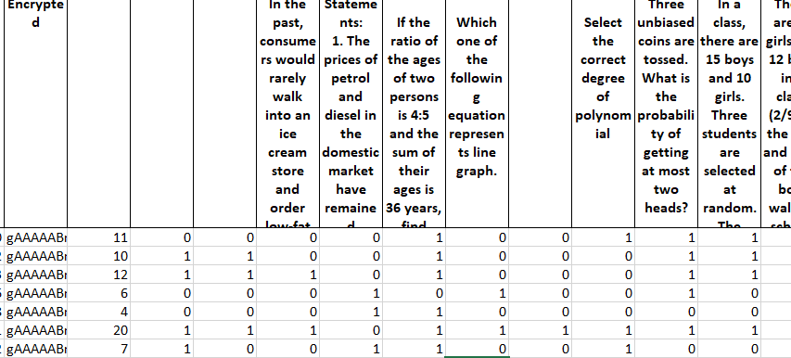

Recalculate Question Wise Score considering 1 mark for right answer and -1 for wrong answer and 0 for empty

Find out average score topic wise

Sheet6
Scores | (Multiple Items)

I am Aspiring | Average of Scores
Data Analyst | 10.4
Data Scientist | 11.842105263
Intrested to learn | 11
Not Decided Yet | 12.428571429
Grand Total | 11.540540541

Sheet7
Scores | (Multiple Items)

Degree of Study | Average of Scores
B.E | 12
B.E. | 11
B.Sc | 12
BCA | 9.3333333333
Bcom | 8
BE | 20
BTech | 12.05
Executive PG (current) | 13
Integrated MSc | 20
M.Sc | 7
M.Sc statistics | 8
MCA | 8.6666666667
MPH | 9
PhD | 12
Grand Total | 11.540540541

Sheet10
0.68421052632 | 0.5 | 0.44736842105 | 0.36842105263 | 0.97368421053 | 0.23684210526 | 0.21052631579 | 0.42105263158 | 0.71052631579 | 0.65789473684 | 0.65789473684 | 0.55263157895 | 0.47368421053 | 0.21052631579 | 0.81578947368 | 0.44736842105 | 0.78947368421 | 0 | 0.57894736842 | 0.57894736842 | 0.81578947368 | 0.13157894737 | 0.44736842105
DataInterpretation | DataInterpretation | DataInterpretation | DataInterpretation | Maths | Maths | Maths | Maths | Probability | Probability | Probability | Probability | Probability | Probability | Stats | Stats | Stats | Stats | Stats | CodingLogic | Aptitude | Aptitude | Aptitude

Avgerage | Topic
0.68421052632 | DataInterpretation
0.5 | DataInterpretation
0.44736842105 | DataInterpretation
0.36842105263 | DataInterpretation
0.97368421053 | Maths |  |  |  |  |  |  | Topic | Average of Avgerage
0.23684210526 | Maths |  |  |  |  |  |  | Aptitude | 0.4649122807
0.21052631579 | Maths |  |  |  |  |  |  | CodingLogic | 0.57894736842
0.42105263158 | Maths |  |  |  |  |  |  | DataInterpretation | 0.5
0.71052631579 | Probability |  |  |  |  |  |  | Maths | 0.46052631579
0.65789473684 | Probability |  |  |  |  |  |  | Probability | 0.54385964912
0.65789473684 | Probability |  |  |  |  |  |  | Stats | 0.52631578947
0.55263157895 | Probability |  |  |  |  |  |  | Grand Total | 0.50915331808
0.47368421053 | Probability
0.21052631579 | Probability
0.81578947368 | Stats
0.44736842105 | Stats
0.78947368421 | Stats
0 | Stats
0.57894736842 | Stats
0.57894736842 | CodingLogic
0.81578947368 | Aptitude
0.13157894737 | Aptitude
0.44736842105 | Aptitude

